Pre-requisites
Pre-requisites

 | 1. Jenkins is already accessible
 |  | Jenkins is preferably installed in CentOS machine as what is used in this manual
 |  | A.) JDK is already configure in Jenkins
 |  | B.) Apache Maven is already configure in Jenkins
 | 2. Git repository is already available
 |  | In this document, Git repository is used for Source Code Management

 |  | A.) Added Jenkins public keys to Git's authorized keys
 |  |  | 1. Generate public/private keys
 |  |  |  | We will need to generate a public/private key pair using SSH on the machine where Jenkins is installed.
 |  |  |  | Once you are logged on to the jenkins account, issue the command ssh-keygen to start generating. Just accept the default variables and do NOT specify a
 |  |  |  | passphrase. Please refer to the screenshot below.
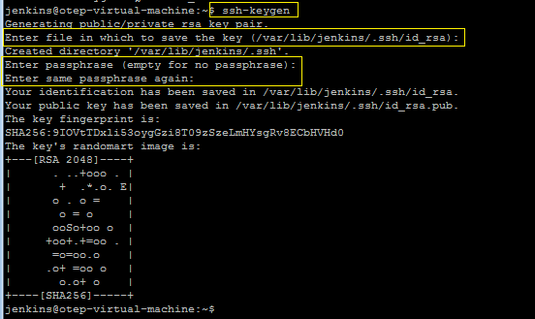

 |  |  | 2) Adding your public key to the Git's authorized_keys.
 |  |  |  | You will need to add your public key to the authorized_keys file in the ./ssh/authorized_keys file of the git account. You will need access to this account or
 |  |  |  | get someone with access to do it.

 |  |  |  | Print out the id_rsa.pub file (jenkins account) to the console and copy the entire key.

 |  |  |  | Copy this key into the git accounts ./.ssh/authorized_keys file. Verify that it is saved.
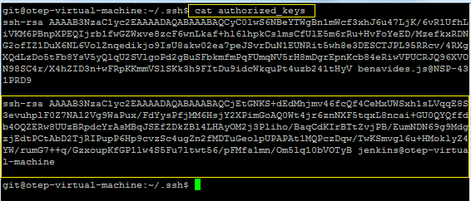

 | 3. Internet connectivity
 |  | Ensure that Internet connectivity is present from the machine on which Jenkins is installed

Configuration
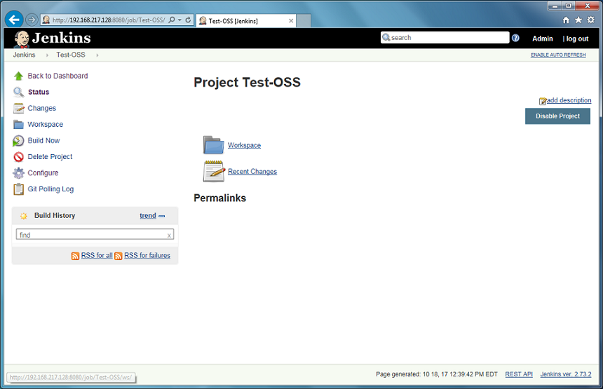
Automated Testing with Selenium

 | Go to Manage Jenkins, then click Manage Plugin
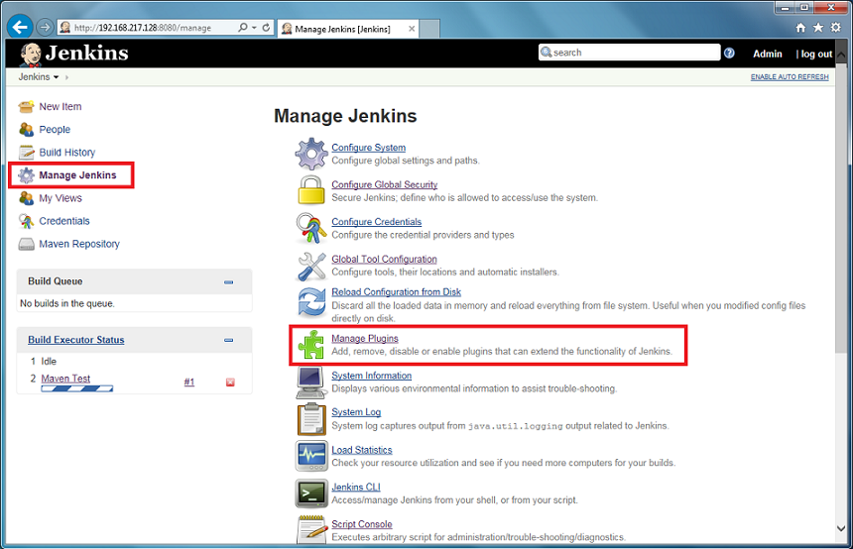

 | In Available tab, Filter and search for Selenium and select Hudson Seleniumhq plugin then click Install without restart

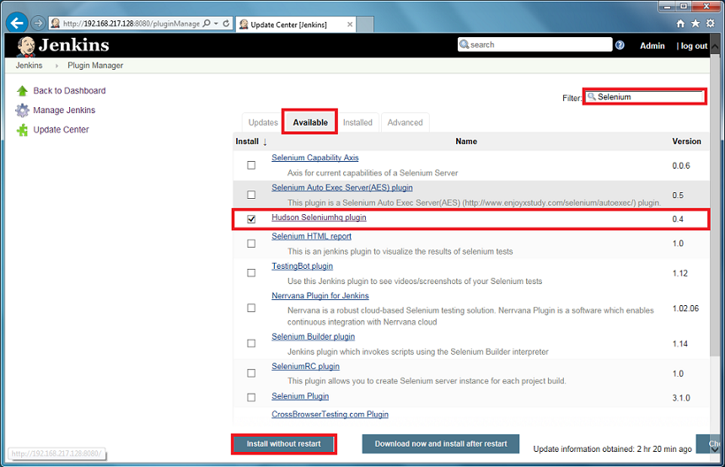

 | After Installation is done, click Go back to the top page to navigate to Jenkins Dashboard

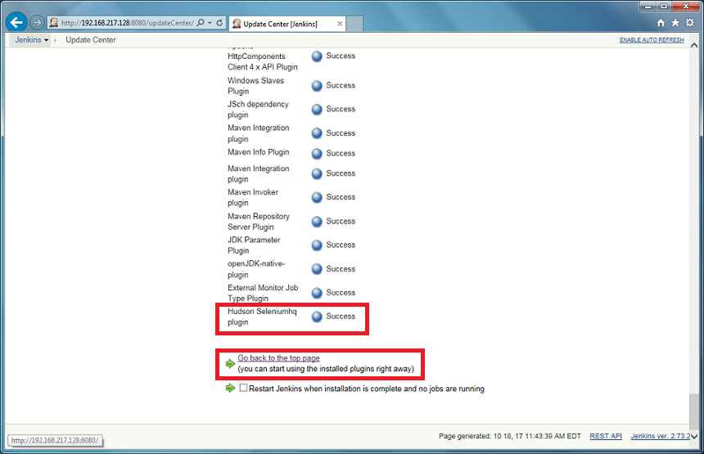

 | In Jenkins Dashboard, click Manage Jenkins then click Configure System

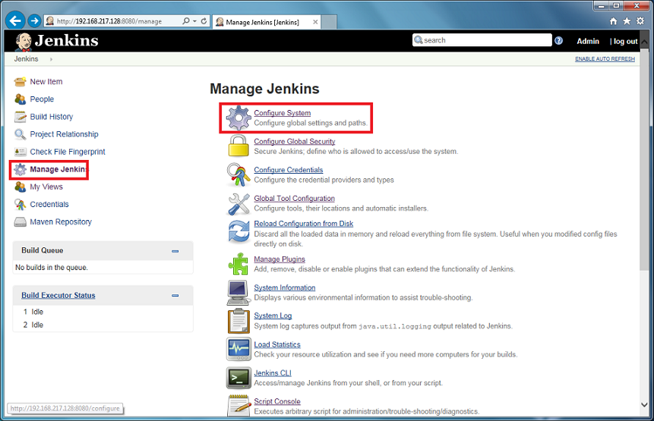

 | From the Configure System screen, find Selenium Remote Control section then configure selenium-server jar path and click Save

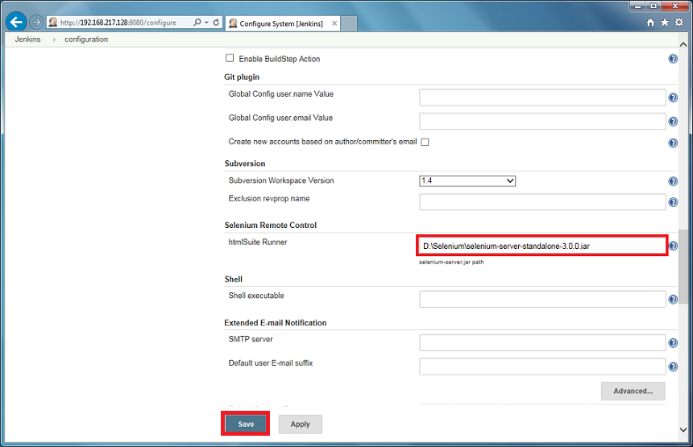

 |  | SeleniumHQ can be download in the link below:
 |  | http://www.seleniumhq.org/download/

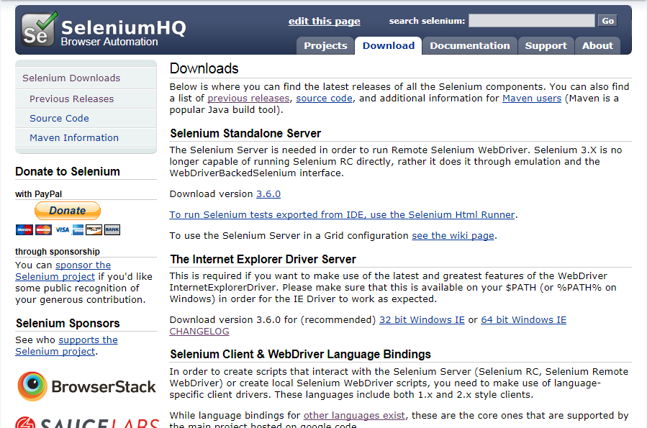

 |  | Selenium Standalone Server latest version is 3.6.0

 | Go back to the Jenkins dashboard, and configure a project for the automation testing

 |  | Hover to the project name for automation screen testing then click the down arrow
 |  | In this case the project is Test-OSS

 |  | After drop down menu will display, click Configure
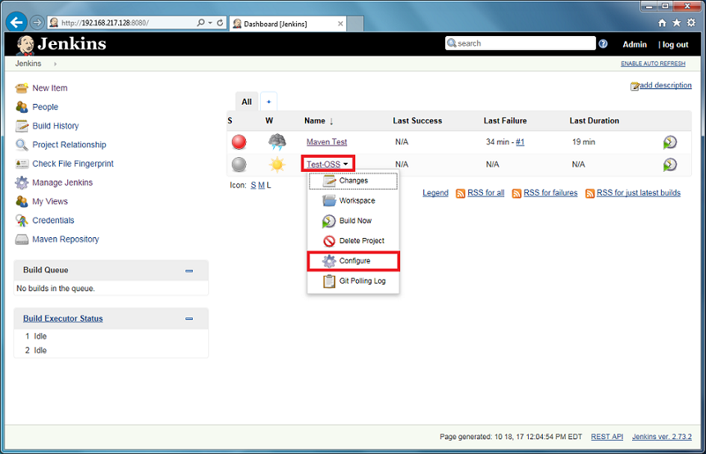

 | In the project configuration screen, click Build

 |  | Click Add build step, then select SeleniumHQ htmlSuite Run

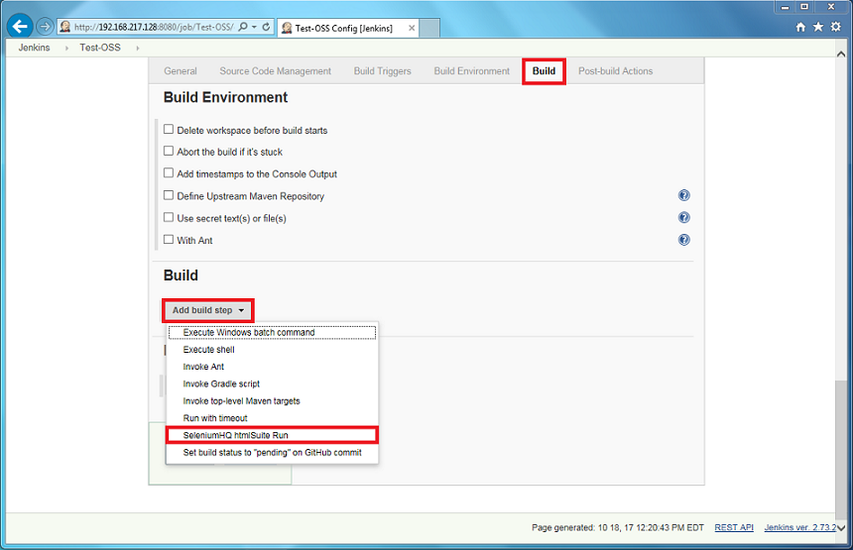

 | After SeleniumHQ htmlSuite Run screen will display

 |  | Input necessary and required fields
 |  | browser: | select browser for testing. In this case "ie" (internet explorer) is used
 |  | startURL: | this field is for the web app URL to test
 |  | suiteFile: | location of the suite file
 |  | resultFile: | location of the result

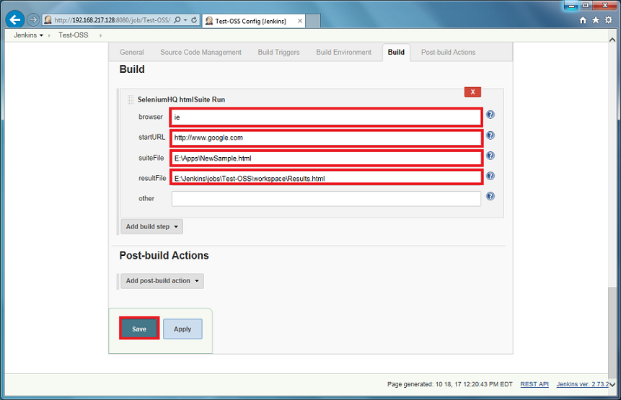

 |  | After all inputs are done, click Save

 | Now the project is ready for automatic screen testing

